Pivot Table 2
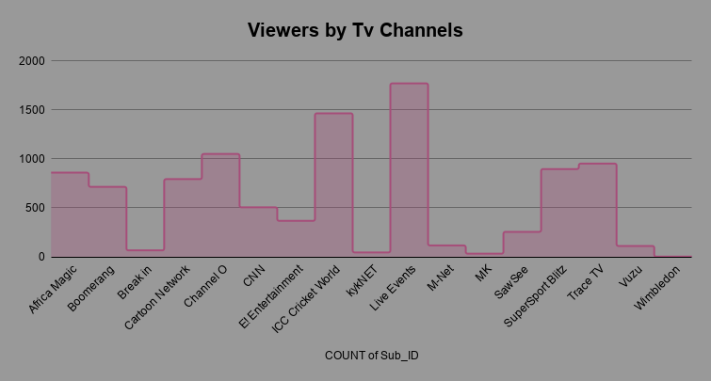
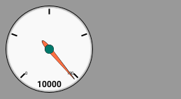

Viewership by Region

Region | COUNTUNIQUE of Sub_ID
Eastern Cape | 271
Free State | 147
Gauteng | 1607
Kwazulu Natal | 448
Limpopo | 342
Mpumalanga | 391
North West | 152
Northern Cape | 82
Unclassified | 176
Western Cape | 770
Grand Total | 4386

Viewership by Day Name

Viewership by Region and Gender

Viewership by Age Groups

dashboard
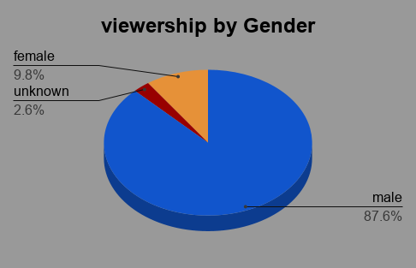
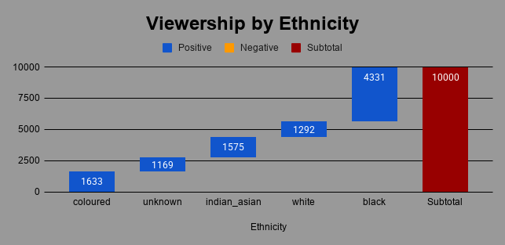
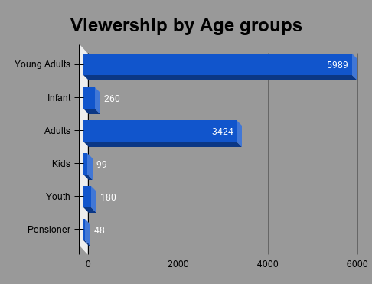
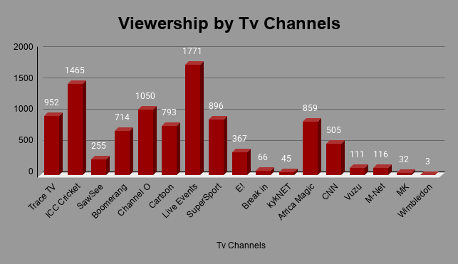
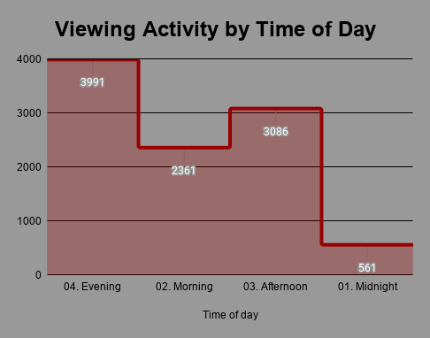
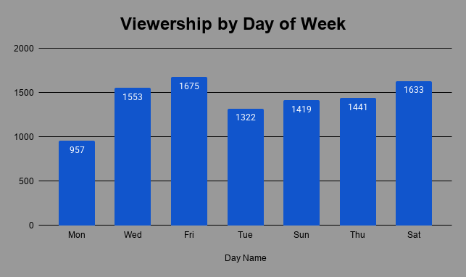
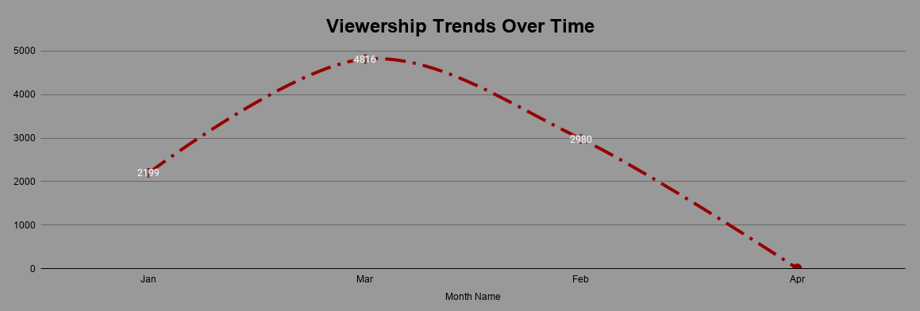
BRIGHT TV VIEWERSHIP ANALYSIS

Audiance Insights, Viewing Behaviour & Channel Performance

